KKO
KAJIAN KELAYAKAN OPERASI

DAYA LAMA |  |  |  | DAYA BARU
Nama Pelanggan | : | PB HERNANDA INDRA WIJAYA |  | Nama Pelanggan | : | PB HERNANDA INDRA WIJAYA
Daya Lama (VA) | : | 0 |  | Daya Baru (VA) | : | 41500
Jumlah Fasa | : | 1 | * | Jumlah Fasa | : | 3
Tegangan Sekunder Pengukuran rata-rata (Fasa-Netral) (V) | : | 220 | * | Tegangan Sekunder Pengukuran rata-rata (Fasa-Netral) (V) | : | 380
Beban Pelanggan (A) | : | 0.00 |  | Beban Pelanggan (A) | : | 63.05

SUPLAI TRAFO EKSISTING |  |  |  | SUPLAI TRAFO RENCANA
Nomor Tiang | : | MGN03-331/13/56 (MGN06) (B) |  | Nomor Tiang | : | MGN03-331/13/56/6 (MGN06) (B)
Penyulang | : | MGN 03 |  | Penyulang | : | MGN 03
Daya | : | 50 | * | Daya | : | 50
Jumlah Fasa | : | 1 | * | Jumlah Fasa | : | 3
Beban TRAFO (Pengukuran Lapangan) |  | 50 |  | Beban TRAFO | : | 63.00
Beban Primer | : | 4.33 | * | Beban Primer | : | 1.44
Beban Sekunder | : | 227.90 | * | Beban Sekunder | : | 75.97
Beban (A) | : | #VALUE! |  | Beban (A) | : | #VALUE!
Prosentase Pembebanan | : | 22% |  | Beban (A) | : | 83%
 | 83% | 100%
Prosentase Pembebanan | : | 100% |  | Beban (A) | : | 100%

DATA





DATA
Tahun | : | 2022
Discount Rate | : | 12%
Transfer price TM | : | 1,084 |  | Marginal COST maret 2022
Umur ekonomis (tahun) | : | 25.00
Selisih Susut Teknis | : | 2.25%
∑ Daya | : | 42
BP (Rp) | : | 38,885,500
RAB (Rp) | : | 227,215,469
Biaya O&M (2% invest) | : | 4,544,309.37

Nama Pelanggan | : | PB HERNANDA INDRA WIJAYA | *
Golongan Pelanggan | : | B2 | *
Jenis Layanan | : | REGULER | *
Daya Lama (kVA) | : | - | *
Daya Baru (kVA) | : | 42 | *
Tarif WBP (Rp/kWh) | : | 1,444.70 | *
Tarif LWBP (Rp/kWh) | : | 1,444.70 | *
BP (Rp/VA) TR | : | 937 | *
Jam Nyala | : | 40 | *

RAB
 |  | PT. PLN ( PERSERO )
 |  | UNIT INDUK DISTRIBUSI JAWA TENGAH & DI YOGYAKARTA |  |  |  |  |  |  |  |  |  | RAB TOTAL
 |  | UP3 DEMAK |  |  |  |  |  |  |  |  | RAB TOTAL | RAB NON MDU
 | RENCANA ANGGARAN BIAYA (RAB)

 |  |  |  | Pekerjaan | : | PB HERNANDA INDRA WIJAYA
 |  |  |  | Lokasi | : | DESA MLILIR PARE ANOM RT05 RW05
 |  |  |  | Pelaksana | : | PT. PLN (PERSERO) UP3 DEMAK
 |  |  |  | Anggaran | : | SAR 2023

Note !! 1. Saat Pengisian Uraian di mohon memasukan nama material sesuai dengan nama material di harga satuan
2. Mohon di cek kembali saat pengisian volume material
3. Untuk program Sarana Penunjang Fungsi tidak perlu SLO.
 | NO | URAIAN | GOL | SAT | VOL | HARGA SATUAN | BIAYA YANG DIPERLUKAN ( Rp )
 |  |  |  |  |  |  | MDU | HARDWARE | JASA | JUMLAH

#REF! | A | PEMASANGAN TIANG |  |  |  | 0 | 0 | 0 | 0 | 0
#REF! |  |  |  |  |  | 0 | 0 | 0 | 0 | 0
#REF! | + | Tiang Beton 12M-350 daN+E | HDW | Unit | 1 | 6,074,400 | 0 | 6,074,400 | 0 | 6,074,400
#REF! | + | Penomoran Tiang | JASA | Unit | 15 | 10,067 | 0 | 0 | 151,000 | 151,000
#REF! | + | Penghalang Panjat dan Papan Peringatan | HDW | Unit | 7 | 200,000 | 0 | 1,400,000 | 0 | 1,400,000
#REF! | + | Upah Pasang Tiang Beton 12M-350 daN+E | JASA | Unit | 1 | 852,274 | 0 | 0 | 852,274 | 852,274
#REF! | + | Tiang Beton 9M-200 daN+E | HDW | Unit | 7 | 3,382,600 | 0 | 23,678,200 | 0 | 23,678,200
#REF! | + | Upah Pasang Tiang Beton 9M-200 daN+E | JASA | Unit | 7 | 542,850 | 0 | 0 | 3,799,950 | 3,799,950
#REF! | + | Tiang Beton 12M-200 daN+E | HDW | Unit | 5 | 5,800,000 | 0 | 29,000,000 | 0 | 29,000,000
#REF! | + | Upah Pasang Tiang Beton 12M-200 daN+E | JASA | Unit | 5 | 776,275 | 0 | 0 | 3,881,375 | 3,881,375
#REF! |  |  |  |  |  | 0 | 0 | 0 | 0 | 0
#REF! | B | PEKERJAAN PEMASANGAN KONSTRUKSI |  |  |  | 0 | 0 | 0 | 0 | 0
#REF! |  |  |  |  |  | 0 | 0 | 0 | 0 | 0
#REF! | + | CC8 |  | Unit | 1 | 0 | 0 | 0 | 0 | 0
#REF! | 1 | Isolator Tumpu ( Pin Post ) 20 KV Porcelein | MDU-KD | Bh | 1 | 235,900 | 235,900 | 0 | 0 | 235,900
#REF! | 2 | Isolator Tumpu ( Pin Post ) 20 KV Porcelein | MDU-KD | Bh | 2 | 235,900 | 471,800 | 0 | 0 | 471,800
#REF! | 3 | Isolator Tarik ( Strainkap Porcelain ) 20 KV | MDU-KD | Set | 6 | 430,000 | 2,580,000 | 0 | 0 | 2,580,000
#REF! | 4 | Armour Tape ¼" wide | HDW | Mtr | 2 | 7,789 | 0 | 15,578 | 0 | 15,578
v | 5 | Bolt Double Arming ⅝" x 14" | HDW | Bh | 2 | 40,000 | 0 | 80,000 | 0 | 80,000
#REF! | 6 | Bolt Machine ⅝" x 10" | HDW | Bh | 3 | 26,500 | 0 | 79,500 | 0 | 79,500
#REF! | 7 | Bolt Machine / Bolt cariage ½" x ¾" | HDW | Bh | 4 | 7,938 | 0 | 31,752 | 0 | 31,752
#REF! | 8 | Brace Steel 770 mm | HDW | Bh | 4 | 45,000 | 0 | 180,000 | 0 | 180,000
#REF! | 9 | Center Bracket 12.5 KN | HDW | Bh | 1 | 95,000 | 0 | 95,000 | 0 | 95,000
#REF! | 10 | Clevis Swinging Secondary | HDW | Bh | 2 | 15,500 | 0 | 31,000 | 0 | 31,000
#REF! | 11 | Compresion Conector H type 240 mm² / 240 mm² | HDW | Bh | 4 | 28,100 | 0 | 112,400 | 0 | 112,400
#REF! | 12 | Cross Arm Steel 2.000 mm ( UNSP 10 ) galvanis | HDW | Bh | 2 | 380,500 | 0 | 761,000 | 0 | 761,000
v | 13 | Lock Nut ⅝" | HDW | Bh | 3 | 11,400 | 0 | 34,200 | 0 | 34,200
#REF! | 14 | Loop Dead End Clamp / LC ( 35 s/d 240 ) mm² | HDW | Bh | 4 | 29,600 | 0 | 118,400 | 0 | 118,400
#REF! | 15 | Oval Eye Bolt ⅝" x 10" | HDW | Bh | 3 | 27,815 | 0 | 83,445 | 0 | 83,445
#REF! | 16 | Oval Eye Nut ⅝" | HDW | Bh | 9 | 23,936 | 0 | 215,424 | 0 | 215,424
#REF! | 17 | Pole Band Double Rack 7" atau 7 ½" | HDW | Bh | 1 | 63,500 | 0 | 63,500 | 0 | 63,500
 | 18 | Schackle Anchor ⅝" | HDW | Bh | 8 | 16,000 | 0 | 128,000 | 0 | 128,000
 | 19 | Spool Insulator ANSI 53 - 4 | HDW | Bh | 2 | 33,502 | 0 | 67,004 | 0 | 67,004
#REF! | 20 | Tie Wire # 4 / Alluminium bonding wire # 20 | HDW | Mtr | 5.4 | 8,550 | 0 | 46,170 | 0 | 46,170
#REF! | 21 | Washer Square 2 ¼" | HDW | Bh | 13 | 2,500 | 0 | 32,500 | 0 | 32,500
#REF! | 22 | Upah Pasang Konst. JTM 3 Fasa C8 | JASA | Unit | 1 | 254,900 | 0 | 0 | 254,900 | 254,900
#REF! |  |  |  |  |  | 0 | 0 | 0 | 0 | 0
#REF! | + | CC7 |  | Unit | 2 | 0 | 0 | 0 | 0 | 0
#REF! | 1 | Isolator Tarik ( Strainkap Porcelain ) 20 KV | MDU-KD | Set | 6 | 430,000 | 2,580,000 | 0 | 0 | 2,580,000
#REF! | 2 | Armour Tape ¼" wide | HDW | Mtr | 2 | 7,789 | 0 | 15,578 | 0 | 15,578
#REF! | 3 | Bolt Double Arming ⅝" x 14" | HDW | Bh | 4 | 40,000 | 0 | 160,000 | 0 | 160,000
#REF! | 4 | Bolt Machine ⅝" x 10" | HDW | Bh | 2 | 26,500 | 0 | 53,000 | 0 | 53,000
v | 5 | Bolt Machine / Bolt cariage ½" x ¾" | HDW | Bh | 8 | 7,938 | 0 | 63,504 | 0 | 63,504
#REF! | 6 | Brace Steel 770 mm | HDW | Bh | 8 | 45,000 | 0 | 360,000 | 0 | 360,000
#REF! | 7 | Clevis Swinging Secondary | HDW | Bh | 2 | 15,500 | 0 | 31,000 | 0 | 31,000
#REF! | 8 | Cross Arm Steel 2.000 mm ( UNSP 10 ) galvanis | HDW | Bh | 4 | 380,500 | 0 | 1,522,000 | 0 | 1,522,000
#REF! | 9 | Lock Nut ⅝" | HDW | Bh | 8 | 11,400 | 0 | 91,200 | 0 | 91,200
#REF! | 10 | Loop Dead End Clamp / LC ( 35 s/d 240 ) mm² | HDW | Bh | 4 | 29,600 | 0 | 118,400 | 0 | 118,400
#REF! | 11 | Oval Eye Bolt ⅝" x 10" | HDW | Bh | 2 | 27,815 | 0 | 55,630 | 0 | 55,630
#REF! | 12 | Oval Eye Nut ⅝" | HDW | Bh | 6 | 23,936 | 0 | 143,616 | 0 | 143,616
v | 13 | Pole Band Double Rack 7" atau 7 ½" | HDW | Bh | 2 | 63,500 | 0 | 127,000 | 0 | 127,000
#REF! | 14 | Pole Band Single Rack 7" atau 7 ½" | HDW | Bh | 2 | 57,690 | 0 | 115,380 | 0 | 115,380
#REF! | 15 | Schackle Anchor ⅝" | HDW | Bh | 6 | 16,000 | 0 | 96,000 | 0 | 96,000
#REF! | 16 | Spool Insulator ANSI 53 - 4 | HDW | Bh | 2 | 33,502 | 0 | 67,004 | 0 | 67,004
#REF! | 17 | Washer Square 2 ¼" | HDW | Bh | 22 | 2,500 | 0 | 55,000 | 0 | 55,000
#REF! | 18 | Upah Pasang Konst. JTM 3 Fasa C7 | JASA | Unit | 2 | 134,700 | 0 | 0 | 269,400 | 269,400
#REF! |  |  |  |  |  | 0 | 0 | 0 | 0 | 0
v | + | CC1-A |  | Unit | 4 | 0 | 0 | 0 | 0 | 0
#REF! | 1 | Isolator Tumpu ( Pin Post ) 20 KV Porcelein | MDU-KD | Bh | 4 | 235,900 | 943,600 | 0 | 0 | 943,600
#REF! | 2 | Isolator Tumpu ( Pin Post ) 20 KV Porcelein | MDU-KD | Bh | 8 | 235,900 | 1,887,200 | 0 | 0 | 1,887,200
#REF! | 3 | Bolt Machine ⅝" x 10" | HDW | Bh | 12 | 26,500 | 0 | 318,000 | 0 | 318,000
#REF! | 4 | Bolt Machine / Bolt cariage ½" x ¾" | HDW | Bh | 8 | 7,938 | 0 | 63,504 | 0 | 63,504
#REF! | 5 | Bolt Single Up Side ⅝" x 10" | HDW | Bh | 4 | 33,600 | 0 | 134,400 | 0 | 134,400
#REF! | 6 | Brace Steel 770 mm | HDW | Bh | 8 | 45,000 | 0 | 360,000 | 0 | 360,000
#REF! | 7 | Center Bracket 12.5 KN | HDW | Bh | 4 | 95,000 | 0 | 380,000 | 0 | 380,000
v | 8 | Cross Arm Steel 2.000 mm ( UNSP 10 ) galvanis | HDW | Bh | 4 | 380,500 | 0 | 1,522,000 | 0 | 1,522,000
#REF! | 9 | Lock Nut ⅝" | HDW | Bh | 16 | 11,400 | 0 | 182,400 | 0 | 182,400
#REF! | 10 | Pole Band Single Rack 7" atau 7 ½" | HDW | Bh | 4 | 57,690 | 0 | 230,760 | 0 | 230,760
#REF! | 11 | Spool Insulator ANSI 53 - 2 | HDW | Bh | 4 | 28,000 | 0 | 112,000 | 0 | 112,000
v | 12 | Tie Wire # 4 / Alluminium bonding wire # 20 | HDW | Mtr | 24.8 | 8,550 | 0 | 212,040 | 0 | 212,040
#REF! | 13 | Washer Square 2 ¼" | HDW | Bh | 20 | 2,500 | 0 | 50,000 | 0 | 50,000
#REF! | 14 | Upah Pasang Konst. JTM 3 Fasa C1-A | JASA | Unit | 4 | 111,000 | 0 | 0 | 444,000 | 444,000
#REF! |  |  |  |  |  | 0 | 0 | 0 | 0 | 0
#REF! | + | CM5-5 |  | Unit | 3 | 0 | 0 | 0 | 0 | 0
#REF! | 1 | Isolator Tumpu ( Pin Post ) 20 KV Porcelein | MDU-KD | Bh | 3 | 235,900 | 707,700 | 0 | 0 | 707,700
#REF! | 2 | Washer Square 2 ¼" | HDW | Bh | 6 | 2,500 | 0 | 15,000 | 0 | 15,000
v | 3 | Tie Wire # 4 / Alluminium bonding wire # 20 | HDW | Mtr | 5.4 | 8,550 | 0 | 46,170 | 0 | 46,170
#REF! | 4 | Upah Pasang Acc.Jar M5-5 | JASA | Unit | 3 | 31,200 | 0 | 0 | 93,600 | 93,600
#REF! |  |  |  |  |  | 0 | 0 | 0 | 0 | 0
#REF! | + | CM5-2 |  | Unit | 1 | 0 | 0 | 0 | 0 | 0
#REF! | 1 | Isolator Tumpu ( Pin Post ) 20 KV Porcelein | MDU-KD | Bh | 1 | 235,900 | 235,900 | 0 | 0 | 235,900
#REF! | 2 | Center Bracket 12.5 KN | HDW | Bh | 1 | 95,000 | 0 | 95,000 | 0 | 95,000
#REF! | 3 | Bolt Machine ⅝" x 10" | HDW | Bh | 2 | 26,500 | 0 | 53,000 | 0 | 53,000
#REF! | 4 | Washer Square 2 ¼" | HDW | Bh | 2 | 2,500 | 0 | 5,000 | 0 | 5,000
v | 5 | Tie Wire # 4 / Alluminium bonding wire # 20 | HDW | Mtr | 1.8 | 8,550 | 0 | 15,390 | 0 | 15,390
#REF! | 6 | Compresion Terminal Lug 240 mm² | HDW | Bh | 2 | 40,400 | 0 | 80,800 | 0 | 80,800
#REF! | 7 | Upah Pasang Acc.Jar M5-2 | JASA | Unit | 1 | 31,200 | 0 | 0 | 31,200 | 31,200
#REF! |  |  |  |  |  | 0 | 0 | 0 | 0 | 0
#REF! |  |  |  |  |  | 0 | 0 | 0 | 0 | 0
#REF! | 1 | Trafo 3 phasa 50 kVA YNyn0 | MDU-KD | Bh | 1 | 42,757,200 | 42,757,200 | 0 | 0 | 42,757,200
#REF! | 2 | Jumper Wire : |  |  |  | 0 | 0 | 0 | 0 | 0
#REF! |  | AAAC 70 mm² | MDU-KD | Mtr | 9 | 14,200 | 127,800 | 0 | 0 | 127,800
#REF! |  | NFA2X-T 3 x 70 + N 50 mm² |  |  | 3 | 0 | 0 | 0 | 0 | 0
v | 3 | Lightning Arester (Polymer) 21 KV, 10 KA | MDU-KD | Bh | 3 | 725,900 | 2,177,700 | 0 | 0 | 2,177,700
#REF! | 4 | FCO Polymer | MDU-KD | Bh | 3 | 848,250 | 2,544,750 | 0 | 0 | 2,544,750
#REF! | 5 | Fuse Link 6 A | HDW | Bh | 3 | 18,000 | 0 | 54,000 | 0 | 54,000
#REF! | 6 | Sepatu Kabel AL/CU Kepala 70 | HDW | Bh | 13 | 73,300 | 0 | 952,900 | 0 | 952,900
#REF! | 7 | Bolt Machine / Bolt cariage ½" x ¾" | HDW | Bh | 22 | 7,938 | 0 | 174,636 | 0 | 174,636
#REF! | 8 | Bracket band segment,vertikal plat ( Hot dip galvanis ) | HDW | Bh | 1 | 404,600 | 0 | 404,600 | 0 | 404,600
#REF! | 9 | Compresion Conector H type 70 mm² / 70 mm² | HDW | Bh | 3 | 15,900 | 0 | 47,700 | 0 | 47,700
#REF! | 10 | Cross Arm Steel 1.500 mm ( UNSP 10 ) galvanis | HDW | Bh | 5 | 283,100 | 0 | 1,415,500 | 0 | 1,415,500
v | 11 | Cross Arm Steel 2.000 mm ( UNSP 10 ) galvanis | HDW | Bh | 4 | 380,500 | 0 | 1,522,000 | 0 | 1,522,000
#REF! | 12 | Hot Line Clamp ( 150mm² s/d 240 mm² ) | HDW | Bh | 3 | 173,400 | 0 | 520,200 | 0 | 520,200
#REF! | 13 | Pole Band Single Rack 7" atau 7 ½" | HDW | Bh | 1 | 57,690 | 0 | 57,690 | 0 | 57,690
#REF! | 14 | Pole Band Double Rack 8" atau 8 ½" | HDW | Bh | 2 | 67,500 | 0 | 135,000 | 0 | 135,000
#REF! | 15 | Steel L 70 x 70 x 7 x 780 mm galvanis | HDW | Bh | 2 | 129,000 | 0 | 258,000 | 0 | 258,000
 | 16 | Steel L 70 x 70 x 7 x 1.682 mm galvanis | HDW | Bh | 4 | 250,000 | 0 | 1,000,000 | 0 | 1,000,000
 | 17 | Upah Pasang Trafo 3 Fasa 50 KVA 1 Tiang | JASA | Unit | 1 | 1,182,800 | 0 | 0 | 1,182,800 | 1,182,800
#REF! |  |  |  |  |  | 0 | 0 | 0 | 0 | 0
#REF! | + | CM2-12 |  | Unit | 15 | 0 | 0 | 0 | 0 | 0
#REF! | 1 | Bimetalic Connector 35 - 240 mm² | HDW | Bh | 15 | 47,459 | 0 | 711,885 | 0 | 711,885
#REF! | 2 | Ground wire Cu 16 mm² | HDW | Mtr | 12 | 30,000 | 0 | 360,000 | 0 | 360,000
 | 3 | Ground rod & Washer | HDW | Bh | 15 | 9,500 | 0 | 142,500 | 0 | 142,500
 | 4 | Upah Pasang Acc.Jar M2-12 | JASA | Unit | 15 | 16,200 | 0 | 0 | 243,000 | 243,000
#REF! |  |  |  |  |  | 0 | 0 | 0 | 0 | 0
#REF! | + | SJ5 |  | Unit | 6 | 0 | 0 | 0 | 0 | 0
#REF! | 1 | Pole Band Double Up Side 7" atau 7 ½" | HDW | Bh | 6 | 61,800 | 0 | 370,800 | 0 | 370,800
#REF! | 2 | Spool Insulator ANSI 53 - 2 | HDW | Bh | 6 | 28,000 | 0 | 168,000 | 0 | 168,000
 | 3 | Tie Wire # 4 / Alluminium bonding wire # 20 | HDW | Mtr | 4.8 | 8,550 | 0 | 41,040 | 0 | 41,040
 | 4 | Upah Pasang Konst. JTR J5 | JASA | Unit | 6 | 33,200 | 0 | 0 | 199,200 | 199,200
#REF! |  |  |  |  |  | 0 | 0 | 0 | 0 | 0
#REF! | + | SJ6 |  | Unit | 10 | 0 | 0 | 0 | 0 | 0
#REF! | 1 | Armour Tape ¼" wide | HDW | Mtr | 10 | 7,789 | 0 | 77,890 | 0 | 77,890
#REF! | 2 | Clevis Swinging Secondary | HDW | Bh | 10 | 15,500 | 0 | 155,000 | 0 | 155,000
 | 3 | Loop Dead End Clamp / LC ( 35 s/d 240 ) mm² | HDW | Bh | 20 | 29,600 | 0 | 592,000 | 0 | 592,000
#REF! | 4 | Oval Eye Nut ⅝" | HDW | Bh | 10 | 23,936 | 0 | 239,360 | 0 | 239,360
#REF! | 5 | Pole Band Single Rack 7" atau 7 ½" | HDW | Bh | 10 | 57,690 | 0 | 576,900 | 0 | 576,900
#REF! | 6 | Spool Insulator ANSI 53 - 4 | HDW | Bh | 10 | 33,502 | 0 | 335,019 | 0 | 335,019
 | 7 | Upah Pasang Konst. JTR J6 | JASA | Unit | 10 | 35,700 | 0 | 0 | 357,000 | 357,000
 |  |  |  |  |  | 0 | 0 | 0 | 0 | 0
#REF! | + | CE1-2 |  | Unit | 6 | 0 | 0 | 0 | 0 | 0
#REF! | 1 | Bolt Machine ⅝" x 10" | HDW | Bh | 6 | 26,500 | 0 | 159,000 | 0 | 159,000
#REF! | 2 | Guy Attachment / Guy hok | HDW | Bh | 6 | 12,500 | 0 | 75,000 | 0 | 75,000
#REF! | 3 | Guy Wire 35 mm² | HDW | Mtr | 72 | 24,300 | 0 | 1,749,600 | 0 | 1,749,600
 | 4 | Three Bolt Clamp | HDW | Bh | 12 | 40,000 | 0 | 480,000 | 0 | 480,000
 | 5 | Washer Square 2 ¼" | HDW | Bh | 6 | 2,500 | 0 | 15,000 | 0 | 15,000
#REF! | 6 | Upah Pasang Acc.Jar E1-2 | JASA | Unit | 6 | 43,500 | 0 | 0 | 261,000 | 261,000
 |  |  |  |  |  | 0 | 0 | 0 | 0 | 0
 | + | F1-2 |  | Unit | 6 | 0 | 0 | 0 | 0 | 0
#REF! | 1 | Rod Anchor ⅝" x 7' | HDW | Bh | 6 | 104,200 | 0 | 625,200 | 0 | 625,200
 | 2 | Expanding Anchor 8.000 lbs | HDW | Bh | 6 | 120,000 | 0 | 720,000 | 0 | 720,000
 | 4 | Kousen | HDW | Bh | 6 | 4,500 | 0 | 27,000 | 0 | 27,000
 | 3 | Upah Pasang Acc.Jar F1-2 | JASA | Unit | 6 | 55,500 | 0 | 0 | 333,000 | 333,000
#REF! |  |  |  |  |  | 0 | 0 | 0 | 0 | 0
 | + | CM2-12A |  | Unit | 6 | 0 | 0 | 0 | 0 | 0
 | 1 | Bimetalic Connector 35 - 240 mm² | HDW | Bh | 6 | 47,459 | 0 | 284,754 | 0 | 284,754
#REF! | 2 | Ground wire Cu 16 mm² | HDW | Mtr | 6 | 30,000 | 0 | 180,000 | 0 | 180,000
 | 3 | Ground rod & Washer | HDW | Bh | 6 | 9,500 | 0 | 57,000 | 0 | 57,000
 | 4 | Upah Pasang Acc.Jar M2-12A | JASA | Unit | 6 | 21,200 | 0 | 0 | 127,200 | 127,200
#REF! |  |  |  |  |  | 0 | 0 | 0 | 0 | 0
 | + | NFA2X-T 3x70+1x70 | MDU-KD | Unit | 300 | 54,500 | 16,350,000 | 0 | 0 | 16,350,000
 | + | Upah Pasang Penghantar TR LVTC 3x70 + 1x50mm² | JASA | Unit | 6 | 223,500 | 0 | 0 | 1,341,000 | 1,341,000
 | + | AAAC 70 mm² | MDU-KD | Unit | 1000 | 14,200 | 14,200,000 | 0 | 0 | 14,200,000
 | + | Upah Pasang Penghantar TM A3C 3x70 + 1x70mm² | JASA | Unit | 20 | 300,100 | 0 | 0 | 6,002,000 | 6,002,000
#REF! |  |  |  |  |  | 0 | 0 | 0 | 0 | 0
 |  |  |  |  |  | 0 | 0 | 0 | 0 | 0
 |  |  |  |  |  | 0 | 0 | 0 | 0 | 0
v | D | PEKERJAAN PEMASANGAN APP |  |  |  | 0 | 0 | 0 | 0 | 0
#REF! |  |  |  |  |  | 0 | 0 | 0 | 0 | 0
#REF! | + | Daya 41.500 VA |  | Unit | 1 | 0 | 0 | 0 | 0 | 0
v | 1 | KWH Elektronik; 3P; 4W; 220/380V; 5(80) A; kls 1 (Pengukuran Langsung) | MDU-KD | Bh | 1 | 1,427,400 | 1,427,400 | 0 | 0 | 1,427,400
#REF! | 2 | Smart Box Langsung Daya 41.5 kVA MCCB 63 A | MDU-KD | Unit | 1 | 3,564,900 | 3,564,900 | 0 | 0 | 3,564,900
 | 3 | Modem 3G/4G | HDW | Unit | 1 | 1,113,900 | 0 | 1,113,900 | 0 | 1,113,900
#REF! | 4 | NFA2X-T 3x70+1x70 | MDU-KD | Mtr | 35 | 54,500 | 1,907,500 | 0 | 0 | 1,907,500
#REF! | 5 | Upah Pasang SR + APP 3 Fasa | JASA | Unit | 1 | 106,400 | 0 | 0 | 106,400 | 106,400
v |  |  |  |  |  | 0 | 0 | 0 | 0 | 0
#REF! | E | PEMBONGKARAN |  |  |  | 0 | 0 | 0 | 0 | 0
#REF! |  |  |  |  |  | 0 | 0 | 0 | 0 | 0
#REF! |  |  |  |  |  | 0 | 0 | 0 | 0 | 0
 |  |  |  |  |  | 0 | 0 | 0 | 0 | 0
 |  | SLO |  |  |  | 0 | 0 | 0 | 0 | 0
 | 1 | Sertifikasi Laik Operasi | JASA | Lot | 1 | 2.5% |  |  | 4,992,649 | 4,992,649
 |  |  |  |  |  |  | 0 | 0 | 0 | 0

 |  | Jumlah MDU - Hardware - Jasa |  |  |  | : | 94,699,350 | 85,076,322 | 24,922,948 | 204,698,620
 |  | PPN 11% |  |  |  | : | 10,416,929 | 9,358,395 | 2,741,524 | 22,516,848
 |  | Jumlah Total |  |  |  | : | 105,116,279 | 94,434,718 | 27,664,473 | 227,215,469
 | Terbilang : Dua Ratus Dua Puluh Tujuh Juta Dua Ratus Lima Belas Ribu Empat Ratus Enam Puluh Sembilan Rupiah

 | Harga yang dipakai adalah RAB HSS 2023

 |  |  |  |  |  |  |  | Tegowanu, Februari 2024
 |  |  |  |  |  |  |  | MANAGER ULP TEGOWANU

 |  |  |  |  |  |  |  | HARY PRATAMA

GAMBAR
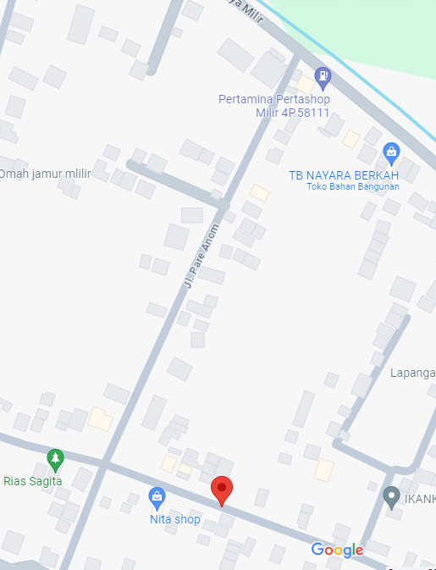
MGN03-331/13/56
1 C14-350 E
1 CC7
3 CM5-5
1 CM5-2
1 CM2-12
4 CCO 240-70
 |  |  |  |  | PT. PLN (PERSERO) UP3 DEMAK
Hasil Ukur Trafo 1 Ph 50 KVA ( X ) di -
 | X0 | X1 | X2 | X3 | Keterangan Gambar :
SIANG | 11 | 67 | 48 |  | No | Nama Material |  |  | Baru |  | Eksisting
s
s
MALAM | 16 | 78 | 116 |  | 1 | Tiang Beton
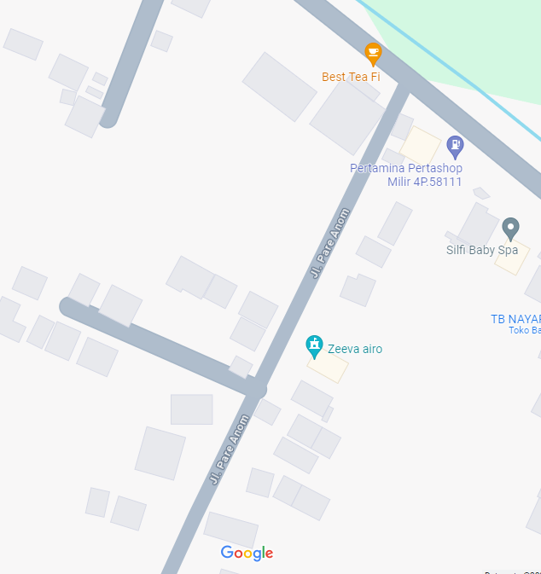
 |  |  |  |  | 2 | Tiang Besi
 |  |  |  |  | 3 | JTM 3 Fasa
MGN03-13/56/1
1 C12-200 E
1 CC8
1 CM2-12A
1 CM2-12
1 CE1-3
1 F1-3
A
 |  |  |  |  | 4 | JTM 1 Fasa
 |  |  |  |  | 5 | JTR 1 Fasa Only / UB
 |  |  |  |  | 6 | JTR 3 Fasa Only / UB
 |  |  |  |  | 7 | Trafo 1 Fasa
 |  |  |  |  | 8 | Trafo 3 Fasa
 |  |  |  |  | 9 | Fuse Cut Out
 |  |  |  |  | 10 | ABSW
 |  |  |  |  | 11 | Vang Net
 |  |  |  |  | 12 | Schoor
 |  |  |  |  | 13
MGN06-202A
1 C12-200E
3 SJ6
1 CM2-12
1 SR APP 3PH 53KVA
1 PENGHALANG PANJAT
1 PAPAN PERINGATAN
MGN03-13/56/2
1 C12-200 E
1 CC1-A
1 CM2-12
 |  |  |  |  | Bongkar Pasang Konstruksi :
 |  |  |  |  | Pasang |  |  |  | Bongkar
 |  |  |  |  | C12-350E |  | BTG | 6 | CG 312A-50KVA |  | U | 0
 |  |  |  |  | CC7 |  | U | 2
A
 |  |  |  |  | CG313-A 50KVA |  | U | 1
 |  |  |  |  | CC1-A |  | U | 4
MGN03-13/56/3
1 C12-200 E
1 CC1-A
1 CM2-12
37 m
37 m
 |  |  |  |  | CM2-11M |  | U | 3
 |  |  |  |  | CM2-12 |  | U | 15
 |  |  |  |  | SR APP 3P 41.5KVA |  | U | 1
 |  |  |  |  | LVTC 3X70+NX50mm2 |  | M | 300
MGN03-13/56/4
1 C12-200 E
1 CC1-A
1 CM2-12
 |  |  |  |  | PENGHALANG PANJAT |  | U | 6
APP
 |  |  |  |  | PAPAN PERINGATAN |  | U | 6
APP
APP
 |  |  |  |  | SJ6 |  | U | 10
 |  |  |  |  | SJ5 |  | U | 6
 |  |  |  |  | CE1-2 |  | U | 6
s
s
JL SEMARANG - PURWODADI
 |  |  |  |  | F1-2 |  | U | 6
 |  |  |  |  | CM2-12A |  | U | 6
MGN03-13/56/6
1 C12-350 E
1 CC7
1 CG-312A 50 KVA
2 CM2-11M
1 SJ6
1 CM2-12
1 CM2-12A
1 CE1-3
1 F1-3
1000 A3C 1X70 mm2
300 LVTC 3X70+NX70mm2
20 POTONG POHON
7 PENGHALANG PANJAT
7 PAPAN PERINGATAN
s
s
 |  |  |  |  | C9-200E |  | BTG | 7
MGN03-13/56/5
1 C12-200 E
1 CC1-A
1 CM2-12
 |  |  |  |  | CC8 |  | U | 1
 |  |  |  |  | AAAC 1X7M0mm2 |  | M | 1200
 |  |  |  |  | POTONG POHON |  | BTG | 20
 |  |  |  |  | CM5-5 |  | U | 3
 |  |  |  |  | Keterangan Tambahan : -7.067460,110.693026
MGN06-203
1 SJ5
1 CM2-12
MGN06-202
2 SJ6
1 CM2-12
1 CM2-12A
1 CE1-2
1 F1-2
MGN03-13/56/7
1 C9-200 E
1 SJ5
1 CM2-12
 |  |  |  |  | Golongan
 |  |  |  |  | No. Gambar |  | 1 |  |  | Lembar |  | dr
 |  |  |  |  | Gambar dari |  |  |  |  | Skala
 |  |  |  |  | Perihal:
 |  |  |  |  | PB HERNANDA INDRA WIJAYA
 |  |  |  |  | DESA MLILIR PARE ANOM RT05 RW05

B
 |  |  |  |  | Digambar |  | Staf Teknik
 |  |  |  |  | Diperiksa |  | TL. Teknik |  |  |  |  |  | MGN03-331/13/130 (MGN06) (B)
 |  |  |  |  | Diketahui |  | Manager ULP
 |  |  |  |  | Disetujui |  | Man. Perencanaan
 |  |  |  |  | PT. PLN (PERSERO) UP3 DEMAK
Hasil Ukur Trafo 3 Ph 50 KVA ( X ) di -
 | X0 | X1 | X2 | X3 | Keterangan Gambar :
MGN03-13/56/7
1 C9-200 E
1 SJ5
1 CM2-12
SIANG | 11 | 67 | 48 |  | No | Nama Material |  |  | Baru |  | Eksisting
s
s
MALAM | 16 | 78 | 116 |  | 1 | Tiang Beton
 |  |  |  |  | 2 | Tiang Besi
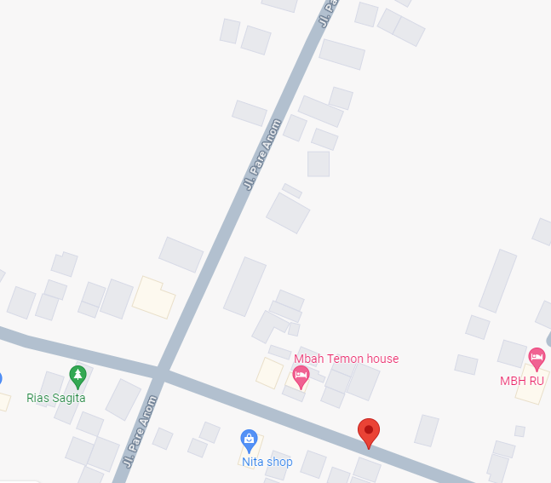
 |  |  |  |  | 3 | JTM 3 Fasa
 |  |  |  |  | 4 | JTM 1 Fasa
 |  |  |  |  | 5 | JTR 1 Fasa Only / UB
 |  |  |  |  | 6 | JTR 3 Fasa Only / UB
MGN03-13/56/8
1 C9-200 E
1 SJ5
1 CM2-12
 |  |  |  |  | 7 | Trafo 1 Fasa
 |  |  |  |  | 8 | Trafo 3 Fasa
 |  |  |  |  | 9 | Fuse Cut Out
MGN03-331/13/131
1 C14-350 E
1 SJ5
1 CM2-12
 |  |  |  |  | 10 | ABSW
 |  |  |  |  | 11 | Vang Net
 |  |  |  |  | 12 | Schoor
MGN03-13/56/9
1 C9-200 E
1 SJ5
1 CM2-12
 |  |  |  |  | 13

 |  |  |  |  | Bongkar Pasang Konstruksi :
 |  |  |  |  | Pasang |  |  |  | Bongkar
 |  |  |  |  | C12-350E |  | BTG | 1 | CG 312A-50KVA |  | U | 0
 |  |  |  |  | CC7 |  | U | 2
MGN03-331/13/132
1 C14-350 E
1 SJ5
1 CM2-12
 |  |  |  |  | CG313-A 50KVA |  | U | 1
MGN03-13/56/10
1 C9-200 E
1 SJ5
1 CM2-12
 |  |  |  |  | CC1-A |  | U | 4
 |  |  |  |  | CM2-11M |  | U | 3
MGN03-13/56/15
1 C9-200 E
1 SJ5
3 SJ6
1 CM2-12
1 CM2-12A
1 CE1-2
1 F1-2
1 SR APP 3P 41.5 KVA
 |  |  |  |  | CM2-12 |  | U | 15
 |  |  |  |  | SR APP 3P 41.5KVA |  | U | 1
 |  |  |  |  | LVTC 3X70+NX50mm2 |  | M | 400
MGN03-331/13/133
1 C14-350 E
1 SJ5
1 CM2-12
 |  |  |  |  | PENGHALANG PANJAT PAPAN PERINGATAN |  | U | 6
MGN03-13/56/13
1 C9-200 E
2 SJ6
1 CM2-12
1 CM2-12A
1 CE1-2
1 F1-2
 |  |  |  |  | C12-200E |  | BTG | 5
MGN03-13/56/11
1 C9-200 E
2 SJ6
1 CM2-12
1 CM2-12A
2 CE1-2
2 F1-2
 |  |  |  |  | SJ6 |  | U | 10
 |  |  |  |  | SJ5 |  | U | 6
 |  |  |  |  | CE1-2 |  | U | 6
 |  |  |  |  | F1-2 |  | U | 6
 |  |  |  |  | CM2-12A |  | U | 6
 |  |  |  |  | C9-200E |  | BTG | 7
 |  |  |  |  | CC8 |  | U | 1
 |  |  |  |  | AAAC 1X7M0mm2 |  | M | 1200
 |  |  |  |  | POTONG POHON |  | BTG | 20
 |  |  |  |  | CM5-5 |  | U | 3
 |  |  |  |  | Keterangan Tambahan : -7.067460,110.693026

 |  |  |  |  | Golongan
 |  |  |  |  | No. Gambar |  | 1 |  |  | Lembar |  | dr
 |  |  |  |  | Gambar dari |  |  |  |  | Skala
 |  |  |  |  | Perihal:
 |  |  |  |  | PB HERNANDA INDRA WIJAYA
MGN03-13/56/12
2 SJ6
1 CM2-12
 |  |  |  |  | DESA MLILIR PARE ANOM RT05 RW05

MGN03-13/56/14
1 SJ5
1 CM2-12
 |  |  |  |  | Digambar |  | Staf Teknik
 |  |  |  |  | Diperiksa |  | TL. Teknik
 |  |  |  |  | Diketahui |  | Manager ULP
 |  |  |  |  | Disetujui |  | Man. Perencanaan

PETA
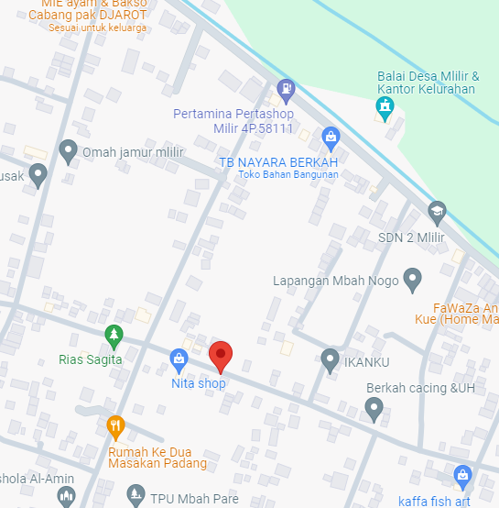
PETA LOKASI PELANGGAN

KOORDINAT LOKASI : -7.067460,110.693026

SLD
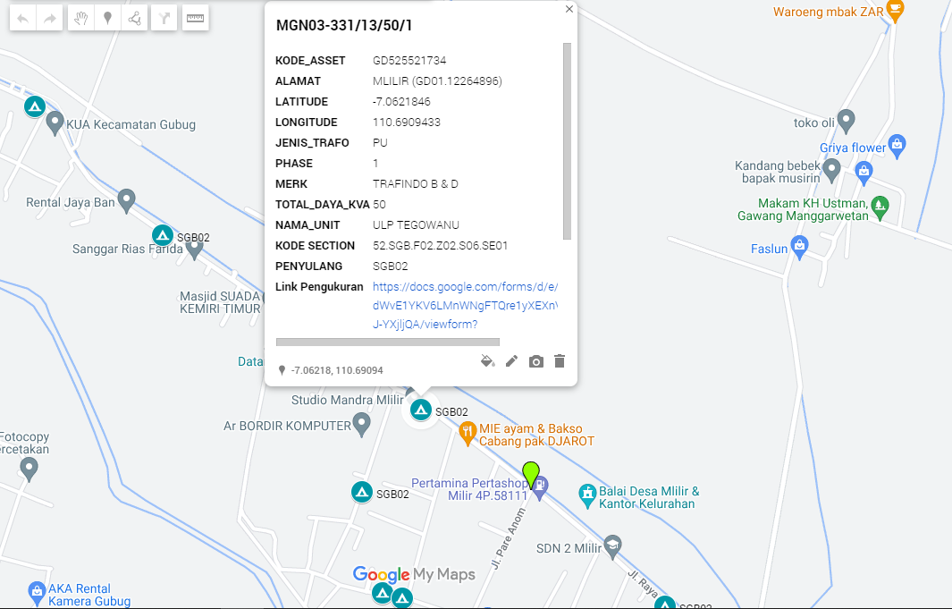
SINGLE LINE DIAGRAM LOKASI PELANGGAN

